M04
Speaker: M04 | Intelligibility: Very Low | Speech Vision Accuracy: 10.94

Model Name | Layers Frozen | Accuracy | Loss graph | Training accuracy graph
M04_E1.h5 | Encoder 1 | 7 | 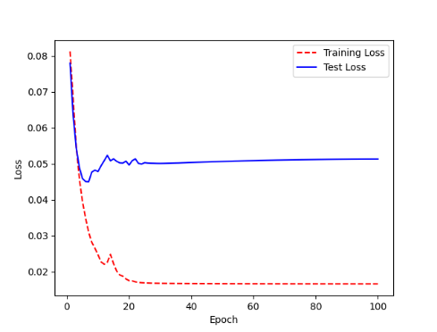 | 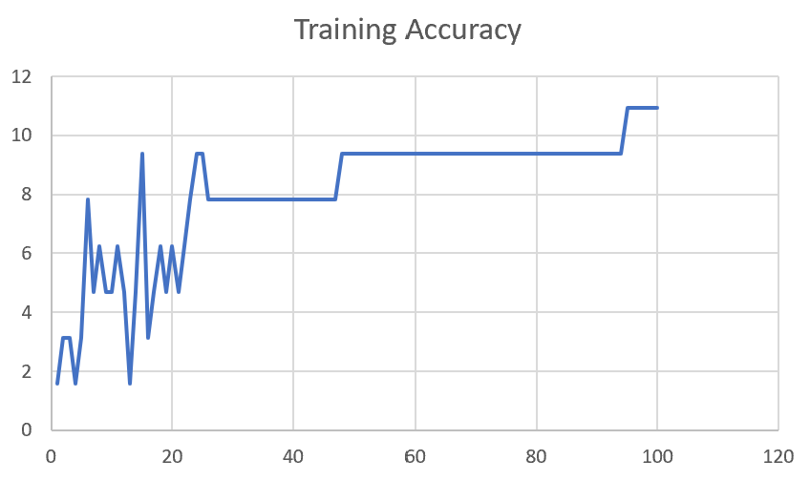

M04_E12.h5 | Encoder 12 | 5 | 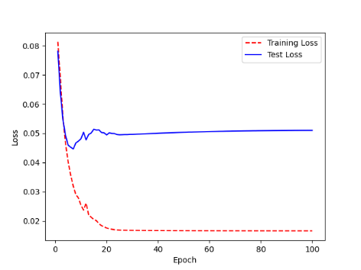 | 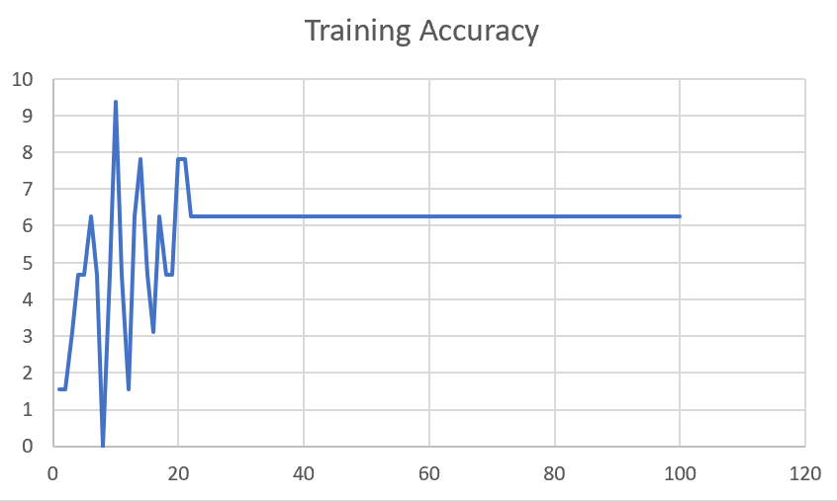

M04_E123 | Encoder 123 | 7 | 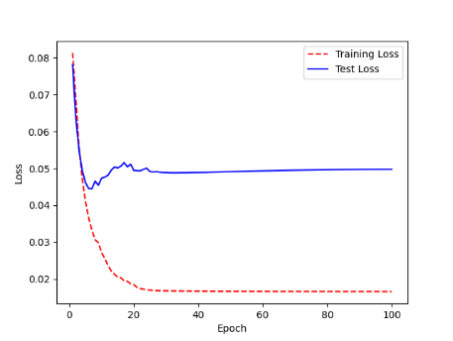 | 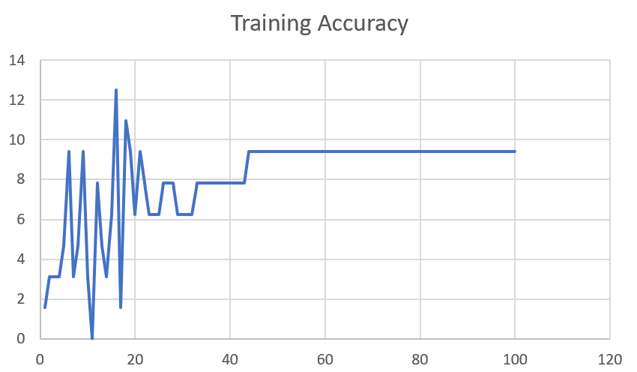

M04_E1234 | Encode 1234 | 6 |  | 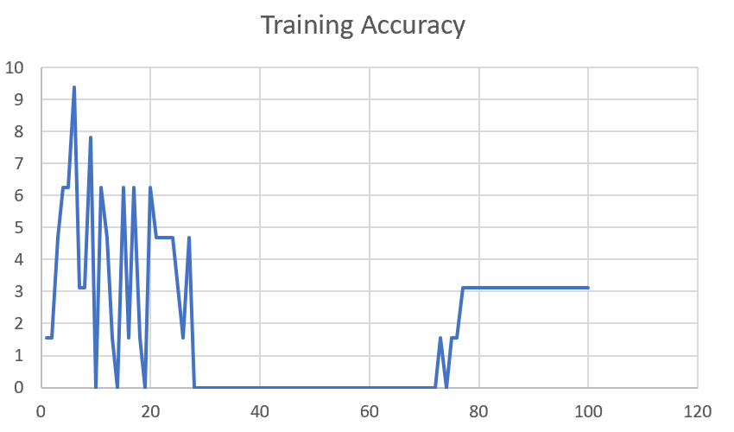

M04_E12345 | Encode 12345 | 6 | 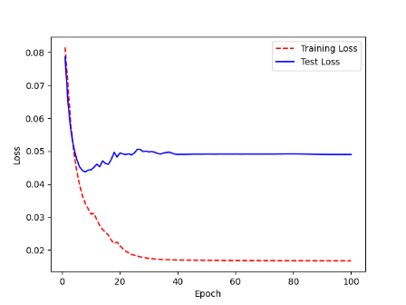 | 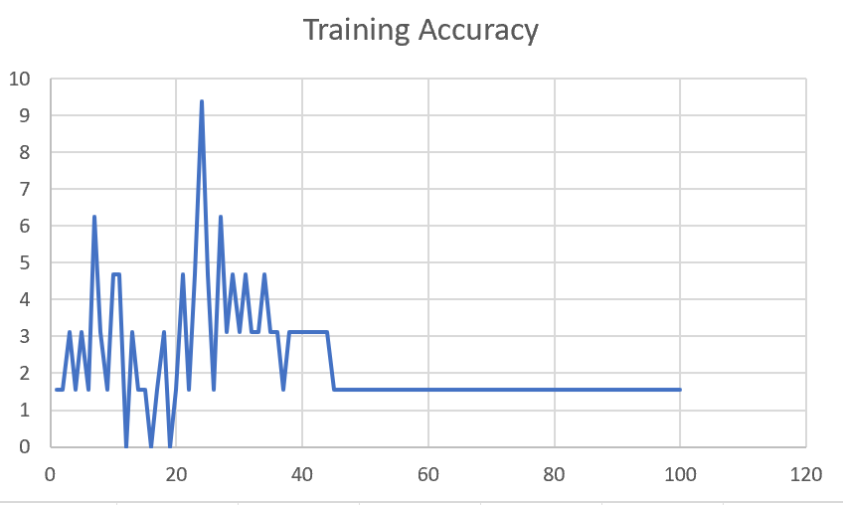

M04_TE | Token Embeddings | 7 | 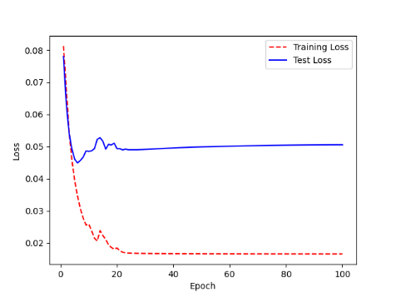 | 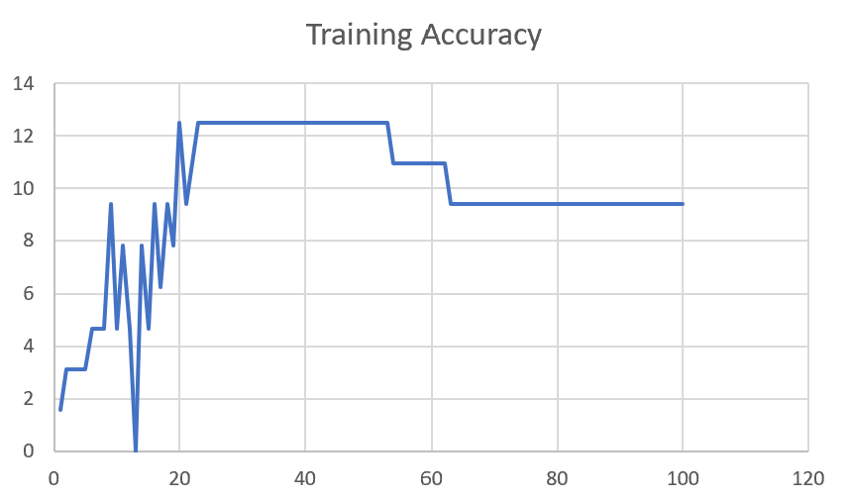

M04_T3+D123 | Token Embeddings + Decoder 1 | 6 | 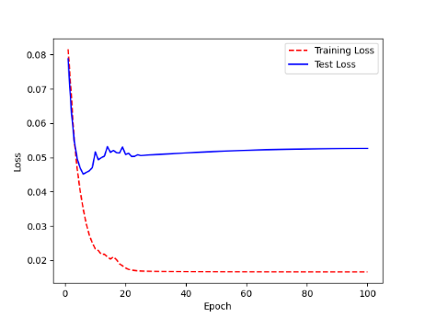 | 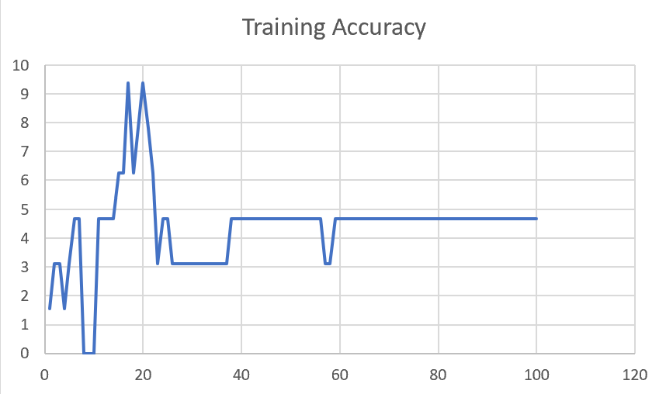

M04_T3+D12 | Token Embeddings + Decoder 12 | 6 | 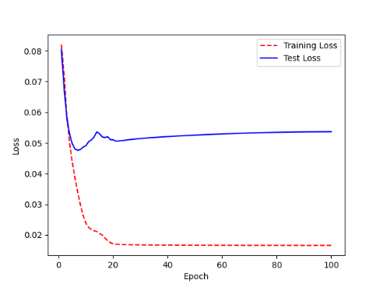 | 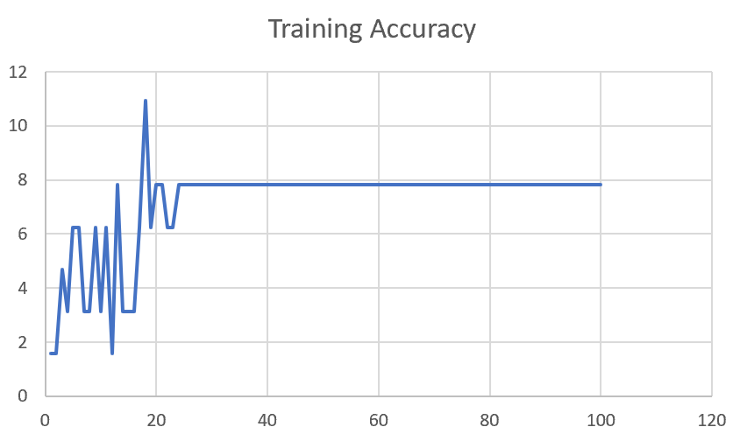

M04_T3+D1 | Token Embeddings + Decoder 123 | 5 | 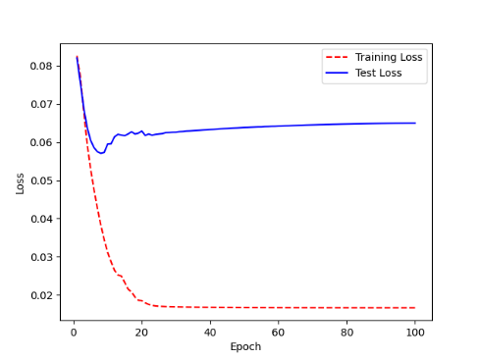 | 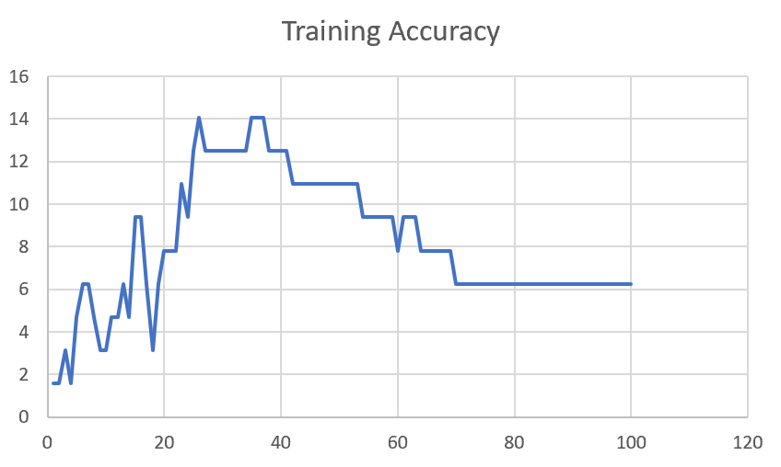

F02
Speaker: F02 | Intelligibility: Low | Speech Vision Accuracy: 67.02

Model Name | Layers Frozen | Accuracy | Loss graph | Training accuracy graph
F02_E1.h5 | Encoder 1 | 47 |  | 

F02_E12.h5 | Encoder 12 | 45 |  | 

F02_E123 | Encoder 123 | 47 |  | 

F02_E1234 | Encode 1234 | 43 |  | 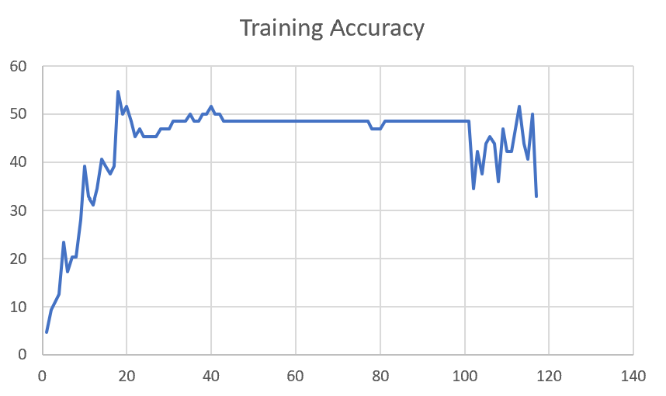

F02_E12345 | Encode 12345 | 41 | 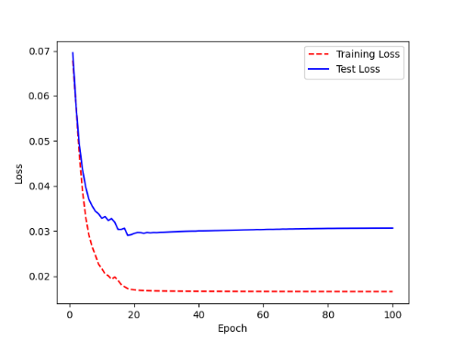 | 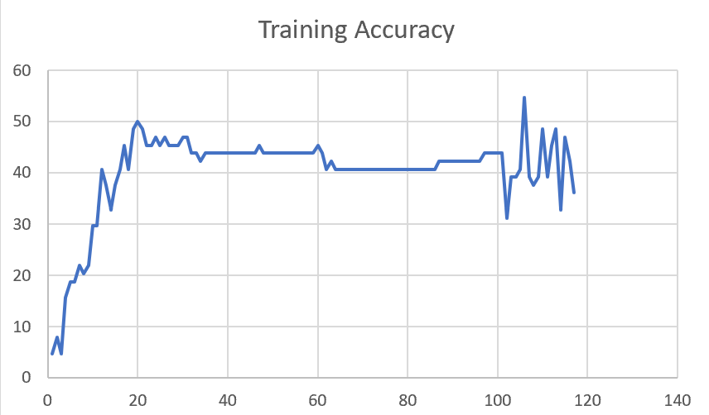

F02_t3 | Token Embeddings | 52 | 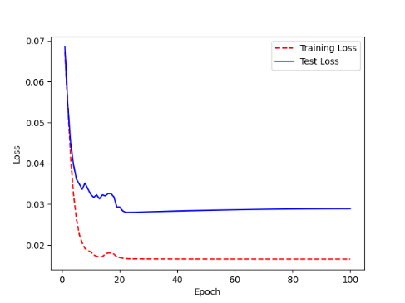 | 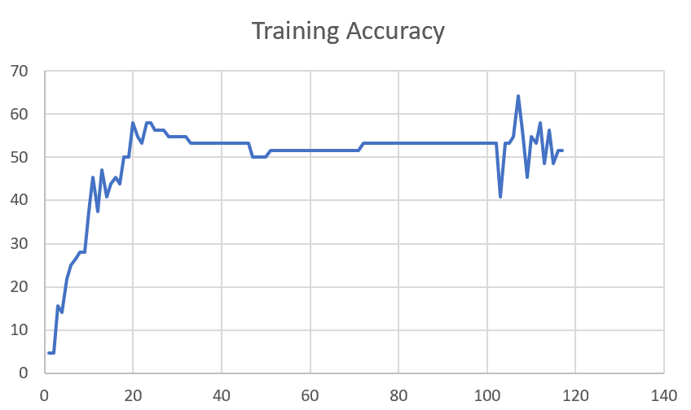

F02_T3+D123 | Token Embeddings + Decoder 123 | 45 | 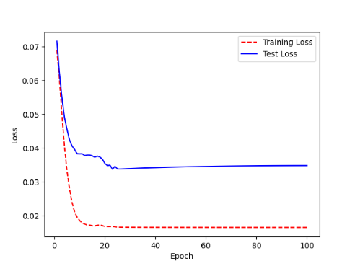 | 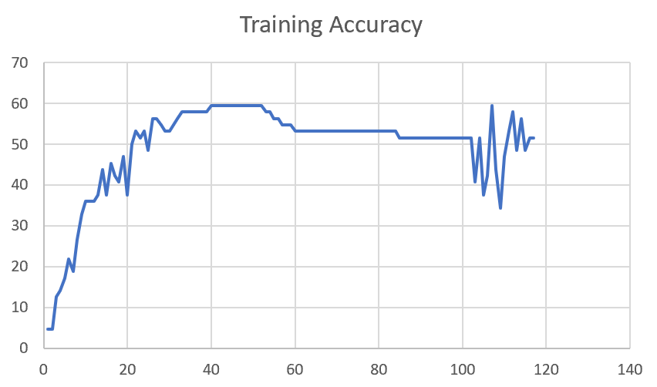

F02_T3+D12 | Token Embeddings + Decoder 12 | 50 | 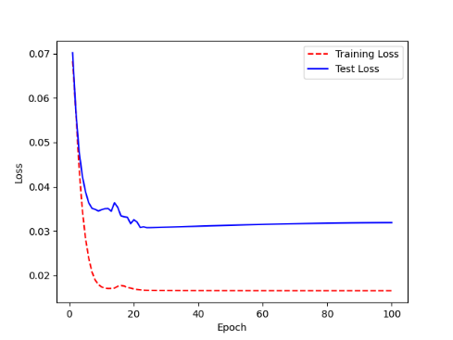 | 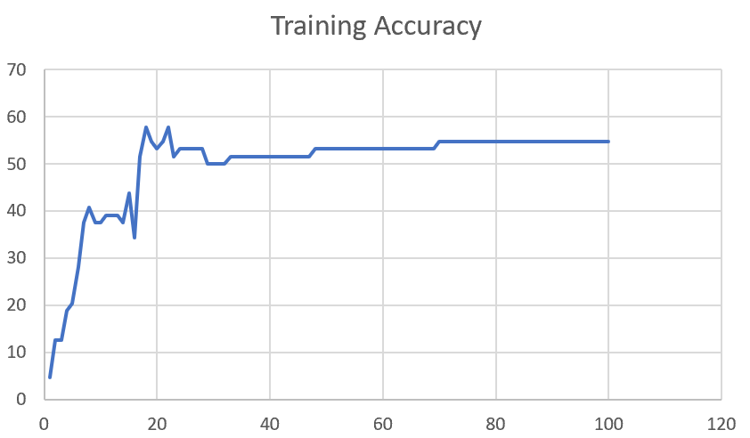

F02_T3+D1 | Token Embeddings + Decoder 1 | 50 | 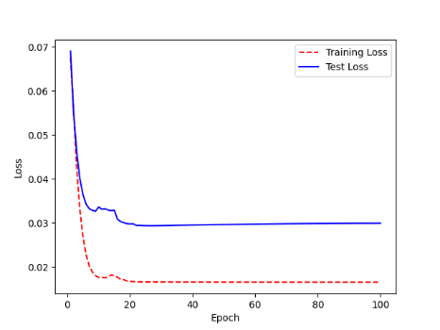 | 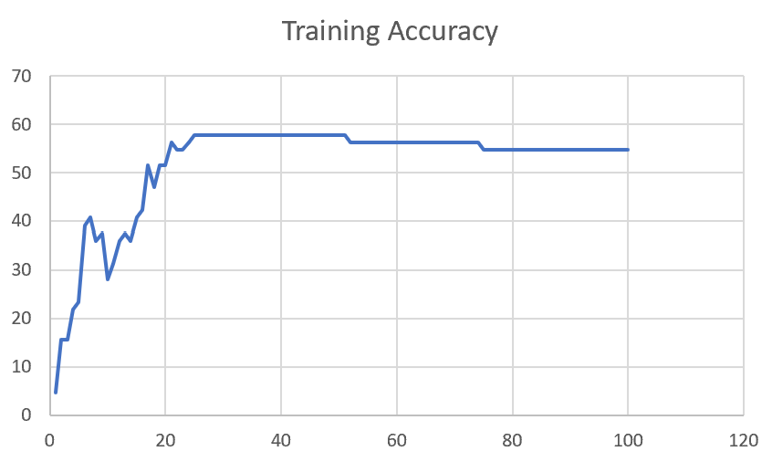

F03
Speaker: F03 | Intelligibility: Very Low | Speech Vision Accuracy: 32.47

Model Name | Layers Frozen | Accuracy | Loss graph | Training accuracy graph
F03_E1.h5 | Encoder 1 | 22 | 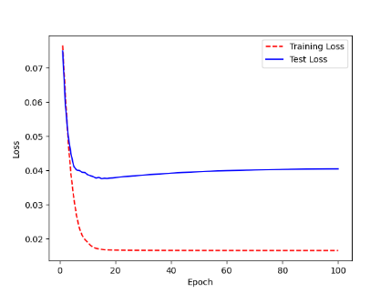 | 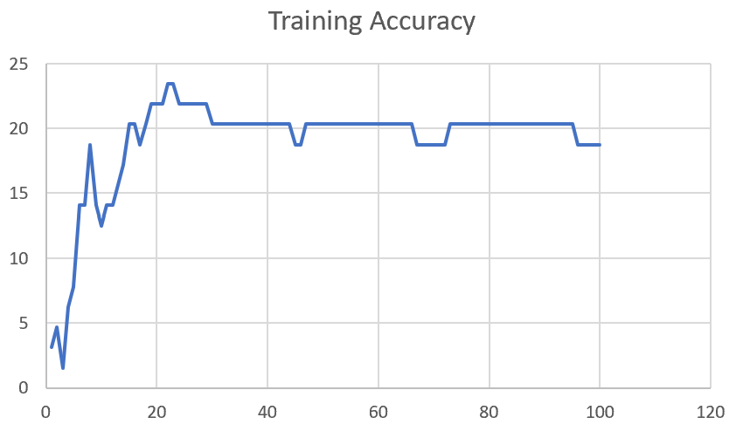

F03_E12.h5 | Encoder 12 | 25 | 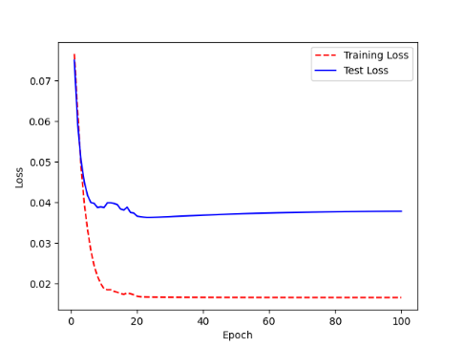 | 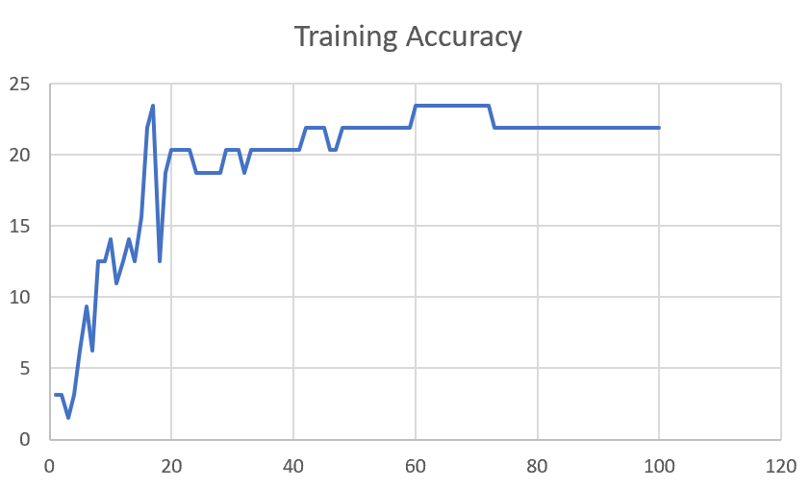

F03_E123 | Encoder 123 | 23 | 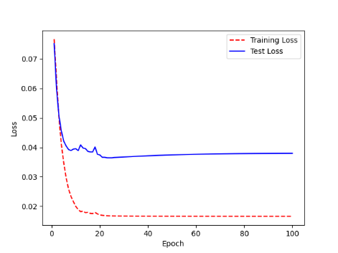 | 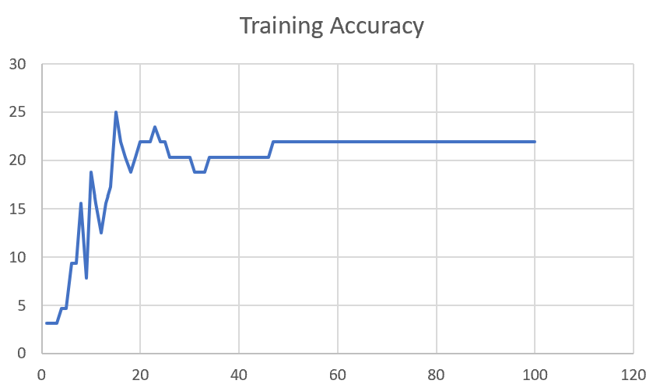

F03_E1234 | Encode 1234 | 20 | 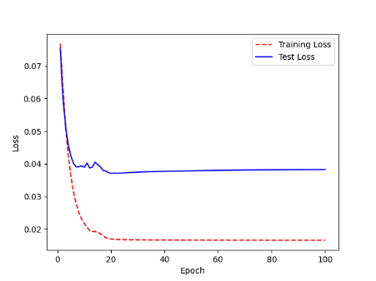 | 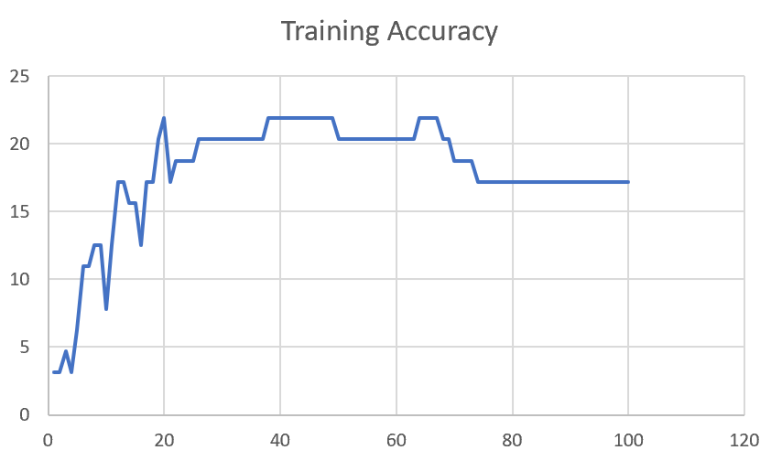

F03_E12345 | Encode 12345 | 19 |  | 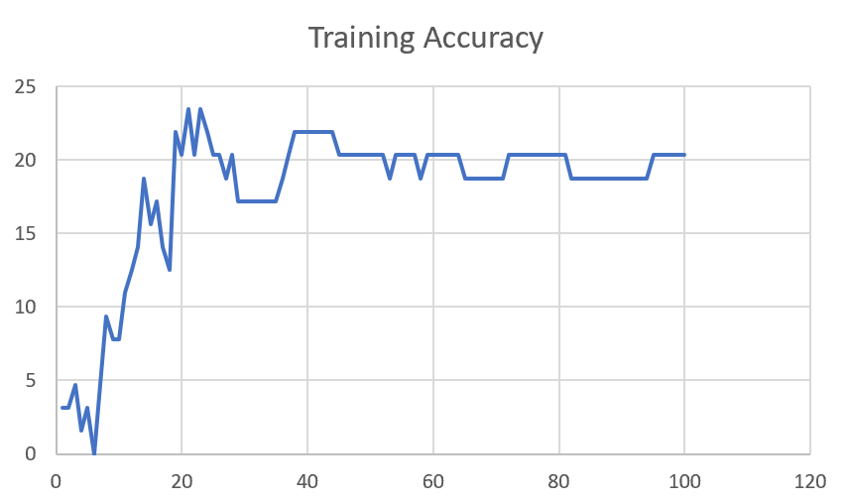

F03_TE | Token Embeddings | 28 |  | 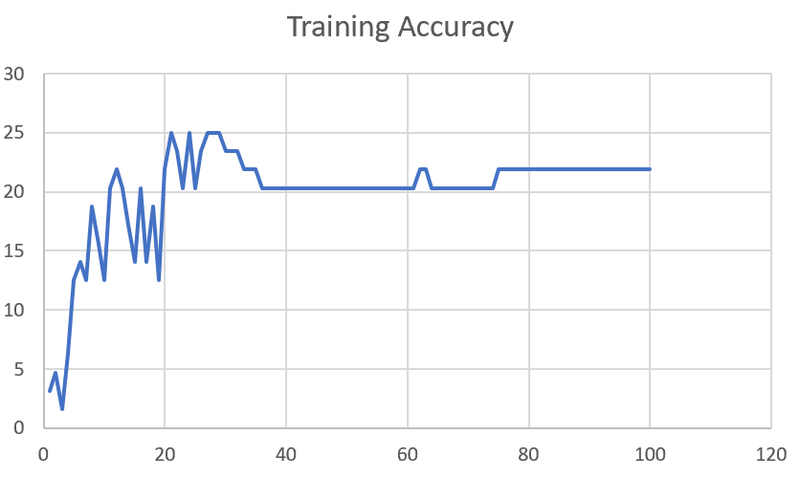

F03_T3+D123 | Token Embeddings + Decoder 1 | 29 |  | 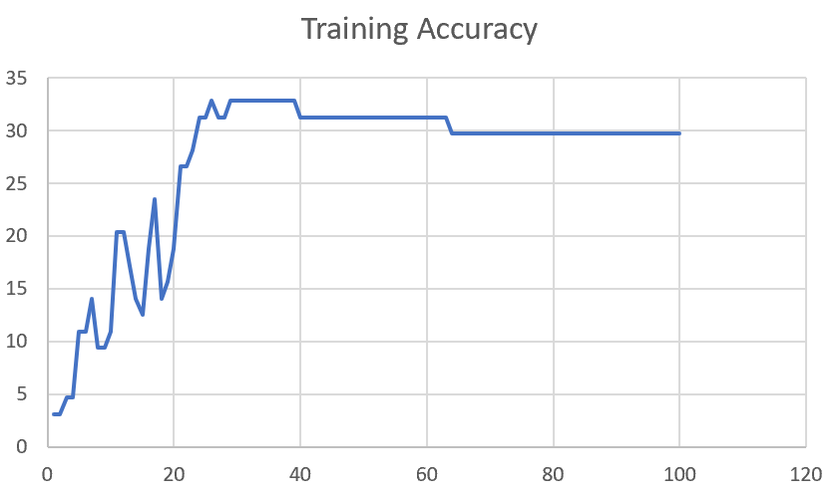

F03_T3+D12 | Token Embeddings + Decoder 12 | 25 | 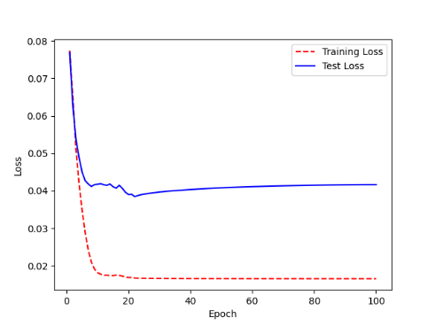 | 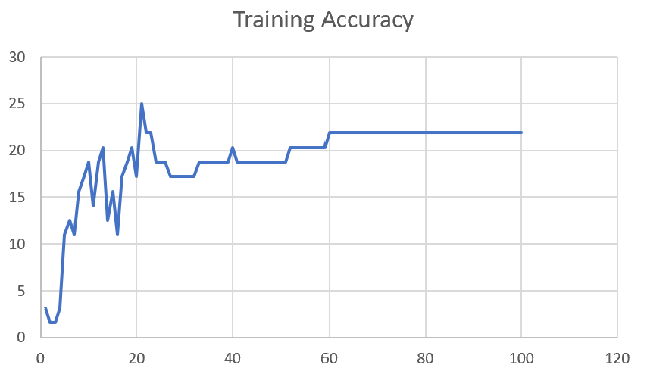

F03_T3+D1 | Token Embeddings + Decoder 123 | 22 | 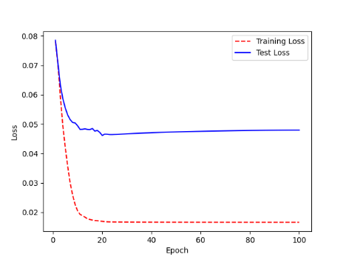 | 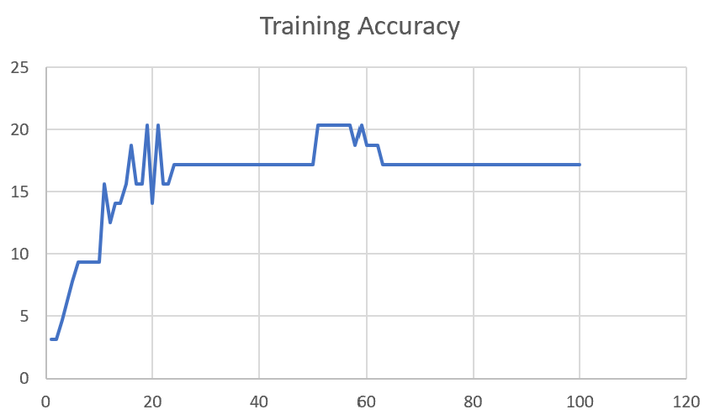

M12
Speaker: M12 | Intelligibility: Very Low | Speech Vision Accuracy: 40.65

Model Name | Layers Frozen | Accuracy | Loss graph | Training accuracy graph
M12_E1.h5 | Encoder 1 | 17 | 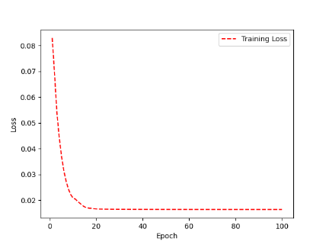 | 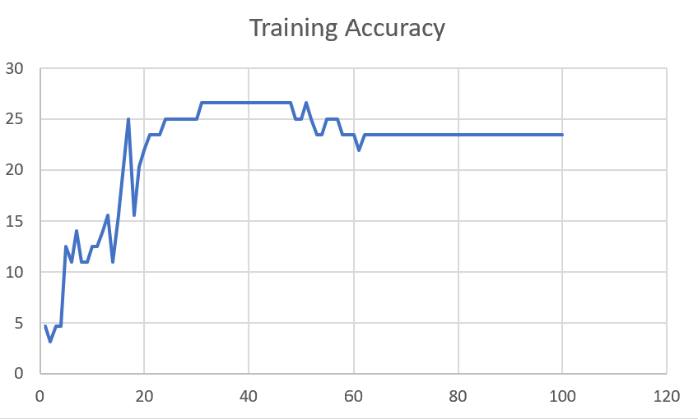

M12_E12.h5 | Encoder 12 | 18 |  | 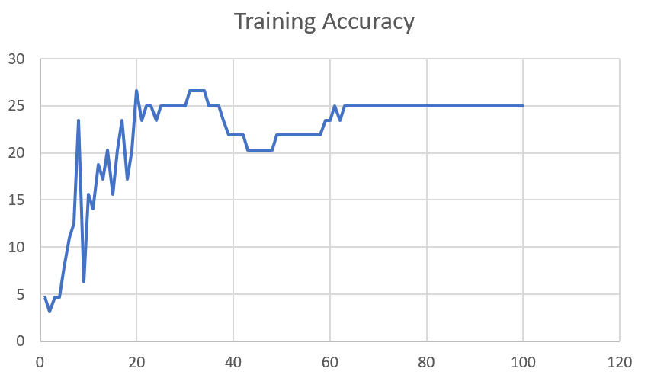

M12_E123 | Encoder 123 | 18 | 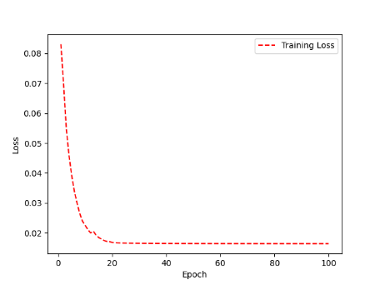 | 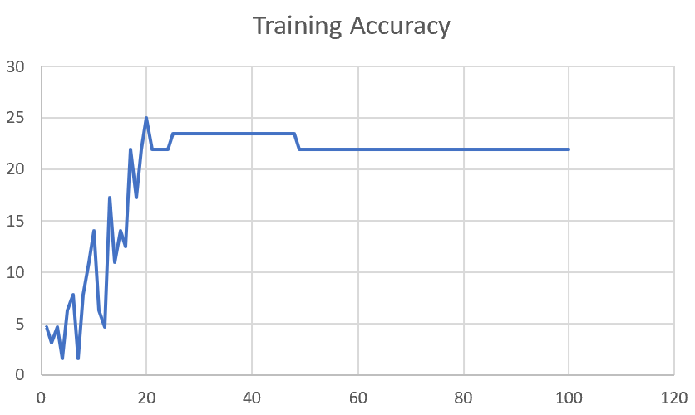

M12_E1234 | Encode 1234 | 14 | 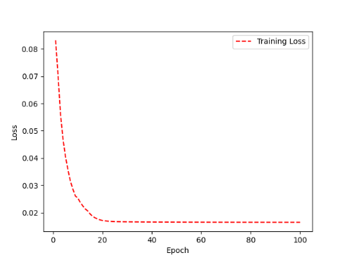 | 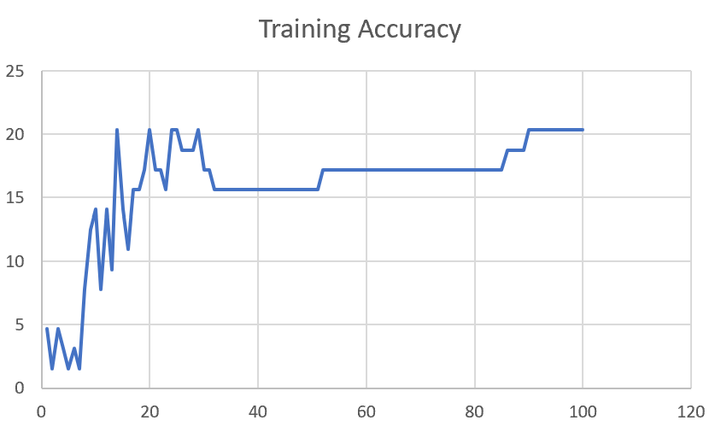

M12_E12345 | Encode 12345 | 16 |  | 

M12_TE | Token Embeddings | 19 |  | 

M12_T3+D123 | Token Embeddings + Decoder 1 | 17 |  | 

M12_T3+D12 | Token Embeddings + Decoder 12 | 16 |  | 

M12_T3+D1 | Token Embeddings + Decoder 123 | 13 |  | 

M12_D3 | Decoder 3 | 15 |  | 

M01
Speaker: M01 | Intelligibility: Very Low | Speech Vision Accuracy: 28.37

Model Name | Layers Frozen | Accuracy | Loss graph | Training accuracy graph
M01_E1.h5 | Encoder 1 | 24 |  | 

M01_E12.h5 | Encoder 12 | 22 |  | 

M01_E123 | Encoder 123 | 18 |  | 

M01_E1234 | Encode 1234 | 15 |  | 

M01_E12345 | Encode 12345 | 17 |  | 

M01_TE | Token Embeddings | 21 |  | 

M01_T3+D123 | Token Embeddings + Decoder 1 | 28 |  | 

M01_T3+D12 | Token Embeddings + Decoder 12 | 22 |  | 

M01_T3+D1 | Token Embeddings + Decoder 123 | 20 |  | 

M01_D3 | Decoder 3 | 26 |  | 

M07
Speaker: M07 | Intelligibility: Low | Speech Vision Accuracy: 69.46

Model Name | Layers Frozen | Accuracy | Loss graph | Training accuracy graph
M07_E1.h5 | Encoder 1 | 49 |  | 

M07_E12.h5 | Encoder 12 | 41 |  | 

M07_E123 | Encoder 123 | 39 |  | 

M07_E1234 | Encode 1234 | 35 |  | 

M07_E12345 | Encode 12345 | 38 |  | 

M07_TE | Token Embeddings | 49 |  | 

M07_T3+D123 | Token Embeddings + Decoder 1 | 47 |  | 

M07_T3+D12 | Token Embeddings + Decoder 12 | 50 |  | 

M07_T3+D1 | Token Embeddings + Decoder 123 | 48 |  | 

M01_D3 | Decoder 3 | 53 |  | 

M16
Speaker: M16 | Intelligibility: Low | Speech Vision Accuracy: 55.91

Model Name | Layers Frozen | Accuracy | Loss graph | Training accuracy graph
M16_E1.h5 | Encoder 1 | 56 |  | 

M16_E12.h5 | Encoder 12 | 50 |  | 

M16_E123 | Encoder 123 | 48 |  | 

M16_E1234 | Encode 1234 | 47 |  | 

M16_E12345 | Encode 12345 | 48 |  | 

M16_TE | Token Embeddings | 56 |  | 

M16_T3+D1 | Token Embeddings + Decoder 1 | 57 |  | 

M16_T3+D12 | Token Embeddings + Decoder 12 | 56 |  | 

M16_T3+D123 | Token Embeddings + Decoder 123 | 55 |  | 

M16_D3 | Decoder 3 | 57 |  | 

M05
Speaker: M05 | Intelligibility: Mild | Speech Vision Accuracy: 64.95

Model Name | Layers Frozen | Accuracy | Loss graph | Training accuracy graph
M05_E1.h5 | Encoder 1 | 52 |  | 

M05_E12.h5 | Encoder 12 | 48 |  | 

M05_E123 | Encoder 123 | 48 |  | 

M05_E1234 | Encode 1234 | 48 |  | 

M05_E12345 | Encode 12345 | 52 |  | 

M05_TE | Token Embeddings | 53 |  | 

M05_T3+D1 | Token Embeddings + Decoder 1 | 55 |  | 

M05_T3+D12 | Token Embeddings + Decoder 12 | 55 |  | 

M05_T3+D123 | Token Embeddings + Decoder 123 | 48 |  | 

M05_D3 | Decoder 3 | 56 |  | 

M11
Speaker: M11 | Intelligibility: Mild | Speech Vision Accuracy: 49.68

Model Name | Layers Frozen | Accuracy | Loss graph | Training accuracy graph
M11_E1.h5 | Encoder 1 | 41 |  | 

M11_E12.h5 | Encoder 12 | 43 |  | 

M11_E123 | Encoder 123 | 42 |  | 

M11_E1234 | Encode 1234 | 43 |  | 

M11_E12345 | Encode 12345 | 41 |  | 

M11_TE | Token Embeddings | 51 |  | 

M11_T3+D1 | Token Embeddings + Decoder 1 | 42 |  | 

M11_T3+D12 | Token Embeddings + Decoder 12 | 42 |  | 

M11_T3+D123 | Token Embeddings + Decoder 123 | 44 |  | 

M11_D3 | Decoder 3 | 49 |  | 

F04
Speaker: F04 | Intelligibility: Mild | Speech Vision Accuracy: 54.75

Model Name | Layers Frozen | Accuracy | Loss graph | Training accuracy graph
F04_E1.h5 | Encoder 1 | 55 |  | 

F04_E12.h5 | Encoder 12 | 51 |  | 

F04_E123 | Encoder 123 | 59 |  | 

F04_E1234 | Encode 1234 | 58 |  | 

F04_E12345 | Encode 12345 | 54 |  | 

F04_TE | Token Embeddings | 64 |  | 

F04_T3+D1 | Token Embeddings + Decoder 1 | 61 |  | 

F04_T3+D12 | Token Embeddings + Decoder 12 | 54 |  | 

F04_T3+D123 | Token Embeddings + Decoder 123 | 57 |  | 

F04_D3 | Decoder 3

M09
Speaker: M09 | Intelligibility: High | Speech Vision Accuracy: 85.16

Model Name | Layers Frozen | Accuracy | Loss graph | Training accuracy graph
M09_E1.h5 | Encoder 1 | 77 |  | 

M09_E12.h5 | Encoder 12 | 78 |  | 

M09_E123 | Encoder 123 | 78 |  | 

M09_E1234 | Encode 1234 | 78 |  | 

M09_E12345 | Encode 12345 | 79 |  | 

M09_TE | Token Embeddings | 80 |  | 

M09_T3+D1 | Token Embeddings + Decoder 1 | 74 |  | 

M09_T3+D12 | Token Embeddings + Decoder 12 | 75 |  | 

M09_T3+D123 | Token Embeddings + Decoder 123 | 76 |  | 

M09_D3 | Decoder 3 | 82 |  | 

M14
Speaker: M14 | Intelligibility: High | Speech Vision Accuracy: 86.45

Model Name | Layers Frozen | Accuracy | Loss graph | Training accuracy graph
M14_E1.h5 | Encoder 1 | 78 |  | 

M14_E12.h5 | Encoder 12

M14_E123 | Encoder 123

M14_E1234 | Encode 1234

M14_E12345 | Encode 12345

M14_TE | Token Embeddings

M14_T3+D1 | Token Embeddings + Decoder 1

M14_T3+D12 | Token Embeddings + Decoder 12

M14_T3+D123 | Token Embeddings + Decoder 123

M14_D3 | Decoder 3

Sheet1
 |  |  | Training Accuracy
0 | 0.421875 | 1 | 57.8125
1 | 0.453125 | 2 | 54.6875
2 | 0.390625 | 3 | 60.9375
3 | 0.3125 | 4 | 68.75
4 | 0.296875 | 5 | 70.3125
5 | 0.296875 | 6 | 70.3125
6 | 0.28125 | 7 | 71.875
7 | 0.3125 | 8 | 68.75
8 | 0.28125 | 9 | 71.875
9 | 0.28125 | 10 | 71.875
10 | 0.25 | 11 | 75
11 | 0.40625 | 12 | 59.375
12 | 0.34375 | 13 | 65.625
13 | 0.453125 | 14 | 54.6875
14 | 0.375 | 15 | 62.5
15 | 0.390625 | 16 | 60.9375
16 | 0.3125 | 17 | 68.75
17 | 0.25 | 18 | 75
18 | 0.21875 | 19 | 78.125
19 | 0.265625 | 20 | 73.4375
20 | 0.265625 | 21 | 73.4375
21 | 0.21875 | 22 | 78.125
22 | 0.21875 | 23 | 78.125
23 | 0.21875 | 24 | 78.125
24 | 0.265625 | 25 | 73.4375
25 | 0.25 | 26 | 75
26 | 0.234375 | 27 | 76.5625
27 | 0.28125 | 28 | 71.875
28 | 0.25 | 29 | 75
29 | 0.265625 | 30 | 73.4375
30 | 0.25 | 31 | 75
31 | 0.203125 | 32 | 79.6875
32 | 0.21875 | 33 | 78.125
33 | 0.21875 | 34 | 78.125
34 | 0.21875 | 35 | 78.125
35 | 0.21875 | 36 | 78.125
36 | 0.21875 | 37 | 78.125
37 | 0.21875 | 38 | 78.125
38 | 0.21875 | 39 | 78.125
39 | 0.203125 | 40 | 79.6875
40 | 0.21875 | 41 | 78.125
41 | 0.21875 | 42 | 78.125
42 | 0.21875 | 43 | 78.125
43 | 0.203125 | 44 | 79.6875
44 | 0.234375 | 45 | 76.5625
45 | 0.234375 | 46 | 76.5625
46 | 0.234375 | 47 | 76.5625
47 | 0.234375 | 48 | 76.5625
48 | 0.234375 | 49 | 76.5625
49 | 0.21875 | 50 | 78.125
50 | 0.21875 | 51 | 78.125
51 | 0.21875 | 52 | 78.125
52 | 0.21875 | 53 | 78.125
53 | 0.21875 | 54 | 78.125
54 | 0.21875 | 55 | 78.125
55 | 0.21875 | 56 | 78.125
56 | 0.21875 | 57 | 78.125
57 | 0.21875 | 58 | 78.125
58 | 0.21875 | 59 | 78.125
59 | 0.21875 | 60 | 78.125
60 | 0.21875 | 61 | 78.125
61 | 0.21875 | 62 | 78.125
62 | 0.21875 | 63 | 78.125
63 | 0.21875 | 64 | 78.125
64 | 0.21875 | 65 | 78.125
65 | 0.21875 | 66 | 78.125
66 | 0.21875 | 67 | 78.125
67 | 0.21875 | 68 | 78.125
68 | 0.21875 | 69 | 78.125
69 | 0.21875 | 70 | 78.125
70 | 0.21875 | 71 | 78.125
71 | 0.21875 | 72 | 78.125
72 | 0.21875 | 73 | 78.125
73 | 0.21875 | 74 | 78.125
74 | 0.21875 | 75 | 78.125
75 | 0.21875 | 76 | 78.125
76 | 0.21875 | 77 | 78.125
77 | 0.21875 | 78 | 78.125
78 | 0.21875 | 79 | 78.125
79 | 0.21875 | 80 | 78.125
80 | 0.21875 | 81 | 78.125
81 | 0.21875 | 82 | 78.125
82 | 0.21875 | 83 | 78.125
83 | 0.21875 | 84 | 78.125
84 | 0.21875 | 85 | 78.125
85 | 0.21875 | 86 | 78.125
86 | 0.21875 | 87 | 78.125
87 | 0.21875 | 88 | 78.125
88 | 0.21875 | 89 | 78.125
89 | 0.21875 | 90 | 78.125
90 | 0.21875 | 91 | 78.125
91 | 0.21875 | 92 | 78.125
92 | 0.21875 | 93 | 78.125
93 | 0.21875 | 94 | 78.125
94 | 0.21875 | 95 | 78.125
95 | 0.21875 | 96 | 78.125
96 | 0.21875 | 97 | 78.125
97 | 0.21875 | 98 | 78.125
98 | 0.21875 | 99 | 78.125
99 | 0.21875 | 100 | 78.125
<__main__.DisplayOutputs object at 0x7fe5301b0f10> | 0.21875 | #VALUE! | 78.125
<__main__.DisplayOutputs object at 0x7fe5301b0f10> | 0.171875 | #VALUE! | 82.8125
<__main__.DisplayOutputs object at 0x7fe5301b0f10> | 0.1875 | #VALUE! | 81.25
<__main__.DisplayOutputs object at 0x7fe5301b0f10> | 0.25 | #VALUE! | 75
<__main__.DisplayOutputs object at 0x7fe5301b0f10> | 0.1875 | #VALUE! | 81.25
<__main__.DisplayOutputs object at 0x7fe5301b0f10> | 0.3125 | #VALUE! | 68.75
<__main__.DisplayOutputs object at 0x7fe5301b0f10> | 0.234375 | #VALUE! | 76.5625
<__main__.DisplayOutputs object at 0x7fe5301b0f10> | 0.171875 | #VALUE! | 82.8125
<__main__.DisplayOutputs object at 0x7fe5301b0f10> | 0.21875 | #VALUE! | 78.125
<__main__.DisplayOutputs object at 0x7fe5301b0f10> | 0.234375 | #VALUE! | 76.5625
<__main__.DisplayOutputs object at 0x7fe5301b0f10> | 0.15625 | #VALUE! | 84.375
<__main__.DisplayOutputs object at 0x7fe5301b0f10> | 0.265625 | #VALUE! | 73.4375
<__main__.DisplayOutputs object at 0x7fe5301b0f10> | 0.1875 | #VALUE! | 81.25
<__main__.DisplayOutputs object at 0x7fe5301b0f10> | 0.234375 | #VALUE! | 76.5625
<__main__.DisplayOutputs object at 0x7fe5301b0f10> | 0.15625 | #VALUE! | 84.375
<__main__.DisplayOutputs object at 0x7fe5301b0f10> | 0.328125 | #VALUE! | 67.1875
<__main__.DisplayOutputs object at 0x7fe5301b0f10> | 0.26229508197 | #VALUE! | 73.770491803
<__main__.DisplayOutputs object at 0x7fcfe04bb910> | 0.640625
<__main__.DisplayOutputs object at 0x7fcfe04bb910> | 0.50819672131

